SCRIPT
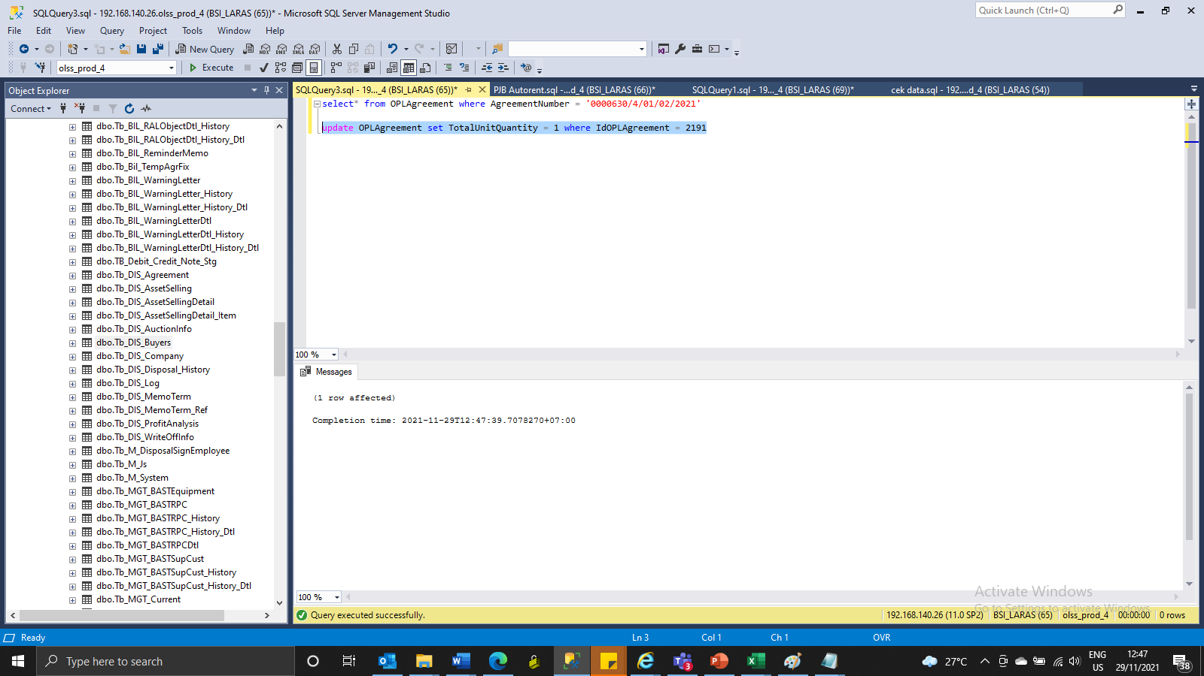
update OPLAgreement set TotalUnitQuantity = 1 where IdOPLAgreement = 2191

ScreenShoot
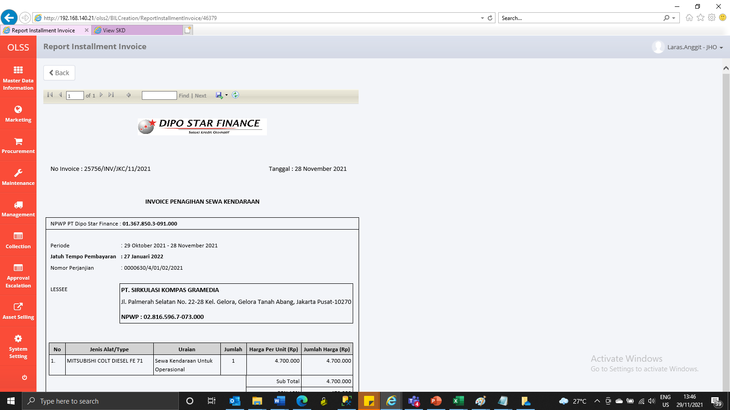
BEFORE
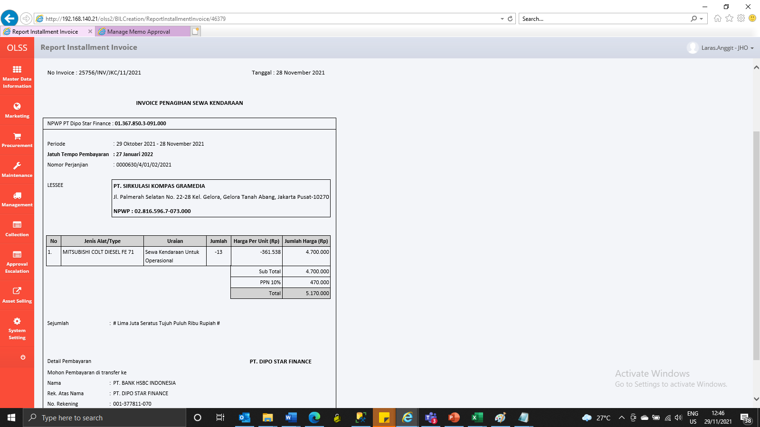

AFTER

